Sheet1
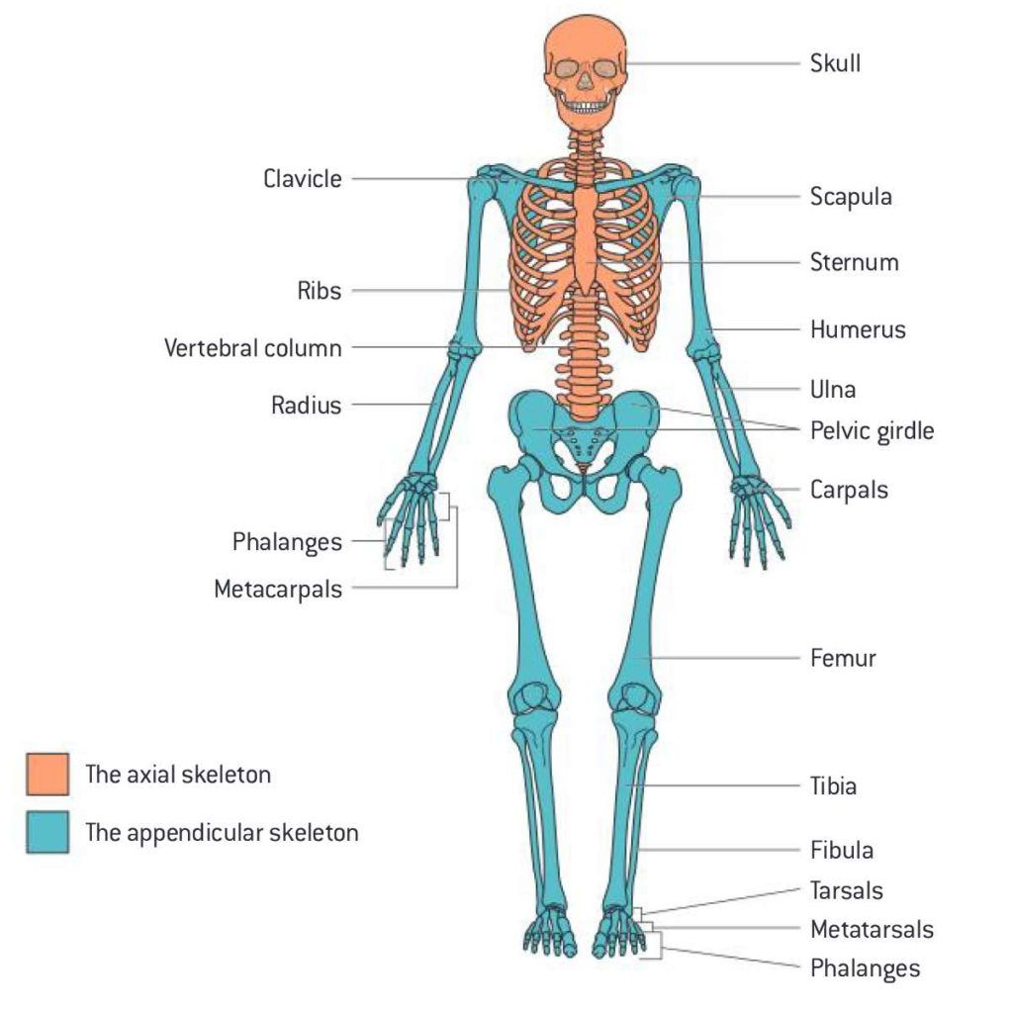

62000 | 8.00% | 4960
 |  | 57040

Sheet1 (2)
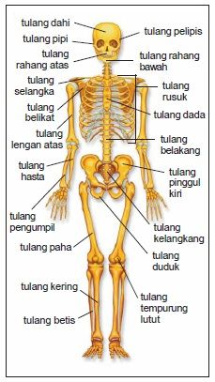

62000 | 8.00% | 4960
 |  | 57040

Sheet1 (3)
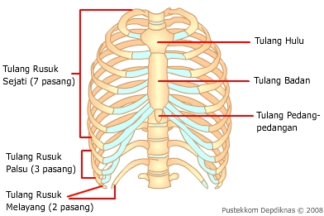

62000 | 8.00% | 4960
 |  | 57040

